Prioritization Matrix Overview
High
Overview
Prioritization Matrix will help us properly assess potential projects, products, or enhancements we introduce as an organization. It is a 2-dimensional level assessment on inflowing work and allows us to ask the right questions and provide good answers with information backing these measurements that can help us then construct a list to rollout these new builds or edits to our analytics suite.
How do you assign Benefit/Impact?
Value can be determined from an absolute or relative perspective. An absolute perspective is when the appropriate analysis of value has determined an actual value. For example, the actual market potential of products or the cost savings of different IT solutions.
A relative value can be created, when you are hypothetically comparing different options and there may be hypotheses of the value, but no actual analysis. Relative value is used when there is a good relative sense that one option is more valuable than another option.
How do you assign Level of Effort?
The effort axis can represent cost, capital, ease of implementation, people, timing or other effort levers. Once again, you can assign levels of efforts on an absolute or relative basis. If you have actual data and analysis then use the data to plot projects. If you don’t, you typically have a good intuition on the relative levels of efforts of different options.
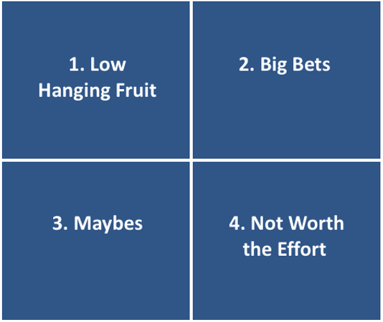

Benefit/Impact

Low
High

Low
Level of Effort

Prioritization Build
Process
1. Define the Prioritization Dimensions
2. Brainstorm Options
3. Define Values for Options
4. Sort Options by their Score
5. Use New list as prioritized options for work and execute from the top down.
 |  | Prioritization Dimension # 1 | Prioritization Dimension #2
 |  | Benefit/Impact | Level of Effort
Rank | Name | 1 - Low | 5 - High | 1 - Low | 5 - High | Score
1 | Project 1 | 3 | 3
2 | Project 2 | 4 | 2
3 | Project 3 | 5 | 5
4 | Project 4 | 1 | 2
5 | Project 5 | 4 | 3
6 | Project 6 | 3 | 4
7 | Project 7 | 2 | 2
8 | Project 8 | 5 | 3
9 | Project 9 | 1 | 5
10 | Project 10 | 2 | 4
11 | Project 11 | 2 | 3
12 | Project 12 | 3 | 4
13 | Project 13 | 4 | 5
14 | Project 14 | 4 | 1
15 | Project 15 | 5 | 1

